Sheet1
 | Client Command Table for A7

 | Use this table to help you design your program. Add rows as needed. | Use this column to describe when and what your LCD display changes to for rows like DISPLAY_ROW_CONNECTION | Use this column to denote if BT stack events cause your state machine to advance, you can put an X in the cell to note this. Drawing a bubble diagram of your state machine might also be a good idea 👍. | Commands that may be useful: sl_bt_gatt_discover_primary_services_by_uuid() sl_bt_gatt_discover_characteristics_by_uuid()
 | Event | LCD Display State | Advances State Machine | Commands called in response to event | Notes
Events Common to Slaves/Clients
 | sl_bt_evt_system_boot_id | DISPLAY_ROW_NAME : Client DISPLAY_ROW_ASSIGNMENT : A9 DISPLAY_ROW_CONNECTION : Discovering DISPLAY_ROW_BTADDR : {client addr} |  | This event is generated on stack boot up | You can also document in column D values that need to be saved in response to receiving BT stack events.
 |  |  |  | sl_bt_scanner_set_mode()
 |  |  |  | sl_bt_scanner_set_timing()
 |  |  |  | sl_bt_connection_set_default_parameters()
 |  |  |  | sl_bt_scanner_start() sl_bt_system_get_identity_address() sl_bt_sm_delete_bonding() sl_bt_sm_configure() DisplayInit() | Use this event to initilize flags to false and do the same on close event
 | sl_bt_evt_connection_opened_id | DISPLAY_ROW_CONNECTION : Connected | X | Event is generated when a new connection is established | This command generates unique gatt_service event for every discovered primary service
 |  | DISPLAY_ROW_BTADDR2 : {server addr} |  | sl_bt_gatt_discover_primary_services_by_uuid(temp) | We use sl_bt_evt_gatt_service_id event to get and save service handle Also use this event to save connection handle and make openConnection true
 | sl_bt_evt_connection_closed_id | DISPLAY_ROW_CONNECTION : Discovering DISPLAY_ROW_TEMPVALUE : “” DISPLAY_ROW_9: “” DISPLAY_ROW_PASSKEY: “” DISPLAY_ROW_ACTION:”” | X | sl_bt_scanner_start() sl_bt_sm_delete_bondings() | Need to start scanner again to and we go back to the first state(scanning) Add States need to Have this exit event to go back to Scanner State
 | sl_bt_evt_system_soft_timer_id |  |  | This event indicates that a soft timer has expired. DisplayUpdate()
 | sl_bt_evt_sm_confirm_passkey_id | DISPLAY_ROW_PASSKEY: passkey DISPLAY_ROW_ACTION: Confirm wirh PB0 |  |  | Confirmed by using PB0 which will in turn trigger a external signal event PassKetConfirm flag is true
 | sl_bt_evt_sm_bonded_id | DISPLAY_ROW_PASSKEY: “” DISPLAY_ROW_ACTION: “” DISPLAY_ROW_CONNECTION: Bonded
 | sl_bt_evt_system_external_signal_id |  |  | sl_bt_gatt_read_characteristic_value(button) this will trigger bonding on fail and read button value when bonded sl_bt_sm_passkey_confirm() when PB0 is pressed and Passkey flag is true sl_bt_gatt_set_characteristic_notification (disable button) When PB0 is kept pressed followed by PB1 pressed and releaed

Events only for Masters/Clients | sl_bt_evt_scanner_scan_report_id |  |  | Received for advertising or scan response packets generated by: sl_bt_scanner_start(). Is the bd_addr, packet_type and address_type what we expect for our Server? If yes: sl_bt_scanner_stop() sl_bt_connection_open()

 | sl_bt_evt_gatt_procedure_completed_id | If in discover Temp Characteristic state: DISPLAY_ROW_CONNECTION: Handling Indications | X | We get this event when it’s ok to call the next GATT command. It’s a good idea to check for returned error codes. This would be a great event to use to sequence your new state machine.
 |  |  |  | sl_bt_gatt_discover_primary_services_by_uuid(temp) sl_bt_gatt_discover_characteristics_by_uuid(Temp) sl_bt_gatt_discover_characteristics_by_uuid(button) sl_bt_gatt_set_charateristic_notification(Temp) sl_bt_gatt_set_charateristic_notification(Button) | Use State Machine below to call functions when in correct state and upon an event occurring
 |  |  |  | if (error code == 0x110f) sl_bt_sm_increase_security()
 |  |  |  | if (evt->data.evt_gatt_procedure_complete.result == 0x110f) sl_bt_sm_increase_security()
 | sl_bt_evt_gatt_service_id |  |  | A GATT service in the remote GATT database was discovered
 |  |  |  | Save the gatt service handle of the serice which was discovered If (UUID.len = 2 ) temp_service_handle = evt->data.evt_gatt_service.service If (UUID.len =16) button_service_hanlde = evt->data.evt_gatt_service.service
 | sl_bt_evt_gatt_characteristic_id |  |  | A GATT characteristic in the remote GATT database was discovered
 |  |  |  | save the gatt characteristic handle f (UUID.len = 2 ) temp_char_handle = evt->data.evt_gatt_characteristic.characteristic If (UUID.len =16) button_characteristic_hanlde = evt->data.evt_gatt_characteristic.characteristic
 | sl_bt_evt_gatt_characteristic_value_id | DISPLAY_ROW_TEMPVALUE = TEMP = actual temp sent indications value | X | If an indication or notification has been enabled for a characteristic, this event is triggered whenever an indication or notification is received from the remote GATT server. Is the characteristic handle and att_opcode we expect? If yes: If (handle = temp_hanlde ) sl_bt_gatt_send_characteristic_confirmation(temp) Display the temperature on LCD If (handle = button_handle and att_code = indications) sl_bt_gatt_send_characteristic_confirmation(button) Display button indication If (handle = button_handle and att_code = read_value) Display button value

Refer to Note column for event mentioned in state diagram X marks an event which is used in the state machine.
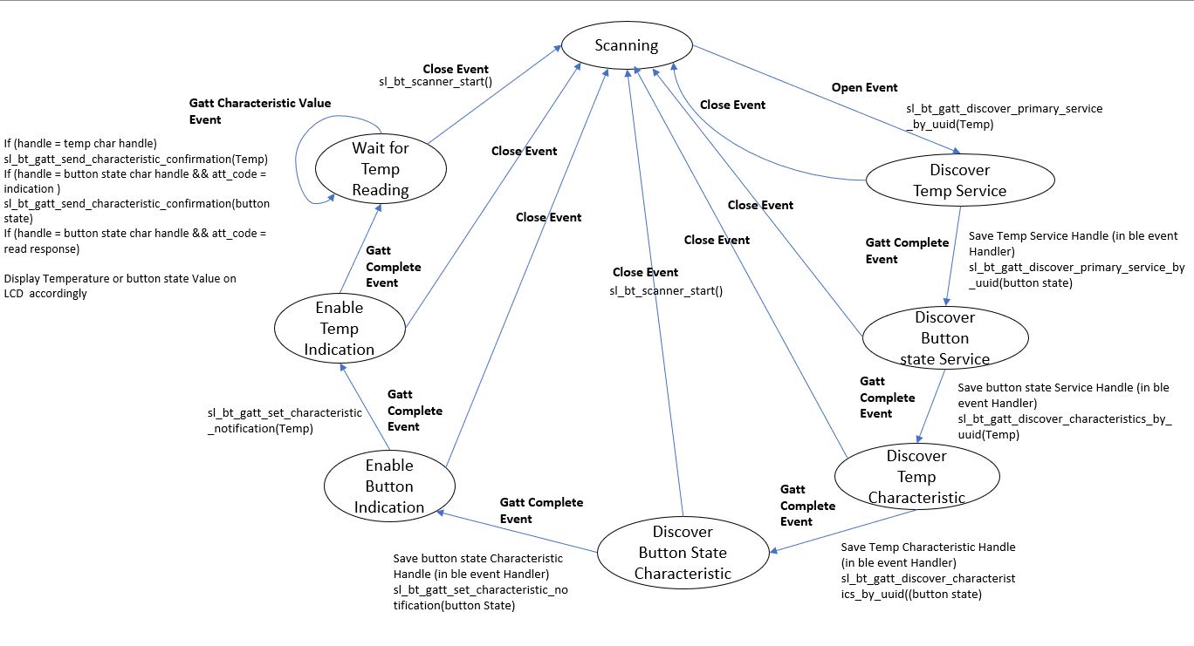

 |  |  |  |  | Each Close Event has the same functionallity. i.e. sl_bt_scanner_start()

